Simulation Instructions
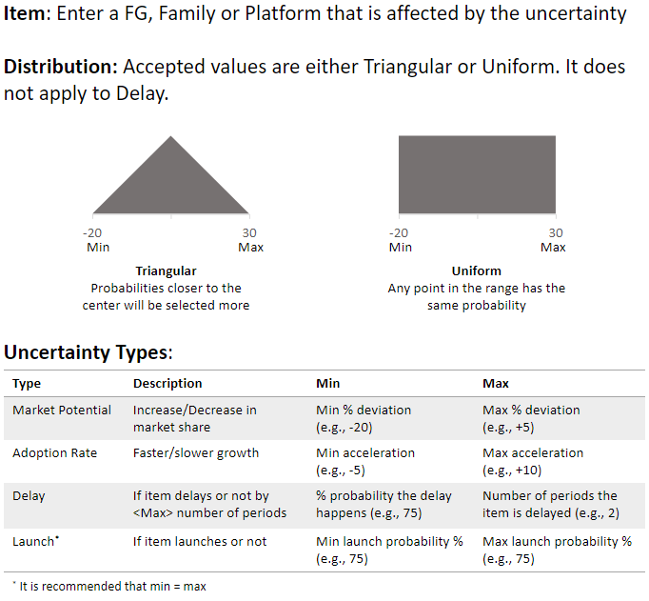
Item | Uncertainty Type | Distribution | Min | Max
Product1 | Market Potential | Uniform | -20 | 50

